ALL Teacher Overview
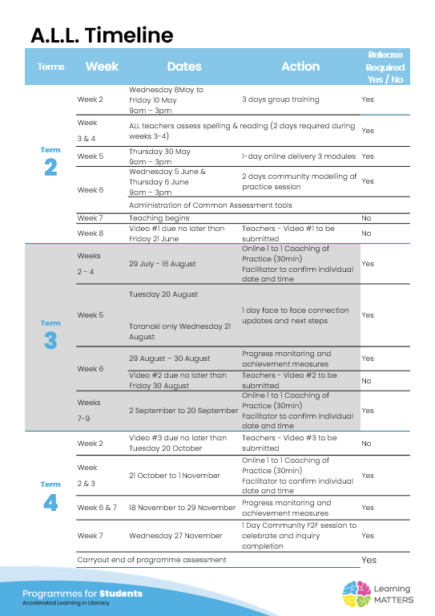

Roadmap
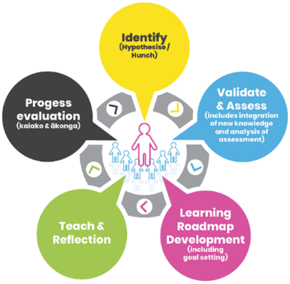 |  | The Inquiry cycle understood …
 |  | Hunch | What do you suspect is the cause of literacy underachievement? we have an 80% EAL class who range from students who have been in NZ for under a year to those who are NZ-born. All of our EAL students are from Former Refugee backgrounds. We identify and follow our EAL students using the ELLPs and structure our teaching and learning to meet their needs against these. Most of our students progress and in some cases excel within expected timeframes. Sometimes a student's rate of English language acquisition can be impacted by underlying conditions that may not be easily identified. These students may also be affected in their home language as a result of their former refugee backgrounds and the trauma and upheaval experienced in their early years. Our first step is to ask for a BAS from the RTLB service but this service is only available to funded EAL students and is dependent on the availability of a specific language translator. We are now noticing an increase in NZ-born students from former refugee backgrounds who are underachieving. Some of the causes could be related to the following: limited English spoken in the home, underlying undiagnosed conditions that impact learning and development, reduction or removal of additional funding and supports, the impact of Covid when the student was beginning school and the level of English competency in our Bilingual liaison teacher aides. (We suspect this is a pivotal weakness in our systems and hope to coach our BLTA with the tools we are learning in this project. We hope that by including them in our new learning we will see a greater impact for our students. At the same time as we are working with our target group, we hope to have a group working with the RTLit and RTLB service using structured literacy tools. We have had a bit of a struggle deciding on which group should be our focus group as the need is high (This was not unexpected given the nature of our group)
 |  | Validate and Assess | Once you have completed all assessments has your hunch been validated and or is further assessment or knowledge building necessary?
 |  | Roadmap Actions | Now you have greater knowledge and relevant assessment findings what steps will you take?
 |  | Goal Setting | Write a goal for you as the teacher that reflects your aspirations to continue to improve both knowledge and practice and also a goal for your group of students.
 |  | Teaching | What will the key components of your teaching sessions include for this group of Tier 2 students?
 |  | Reflection | You will be required to reflect throughout your roadmap at regular intervals, particularly after observations and coaching sessions.
 |  | Progress evaluation | At the beginning of Term 3 and again at the end of term 4 you will evaluate the progress both you and your students have made.

Roadmap for implementation and tracking progress and actions
Now use the information and reflections above to map out your roadmap and set goals for your inquiry. ALL participants will be required to keep a journal of their progress and actions. This will assist in monitoring achievements and progress towards teacher and student goals.
Term 2 Goal Setting
Teacher goal
Student outcome goals

Term 2 Roadmap
Week | Focus | Teacher Actions | Reflection and next steps
3 | initial assessments | assess / collate/ make decisions
4 | initial assessments | assess / collate/ make decisions
5 | selecting students | assess / collate/ make decisions
6
7
8
9
10

Term 2 Evaluation & Term 3 Goal Setting
Student progress and next steps
Teacher progress and next steps

Term 3 Roadmap
Week | Focus | Teacher Actions | Reflection and next steps
1
2
3
4
5
6
7
8
9
10

Term 3 Evaluation & Term 4 Goal Setting
Student progress and next steps
Teacher progress and next steps

Term 4 Roadmap
Week | Focus | Teacher Actions | Reflection and next steps
1
2
3
4
5
6
7
8

Term 4 Evaluation & Final Reflections
Student progress and next steps
Teacher progress and next steps

